Part 1
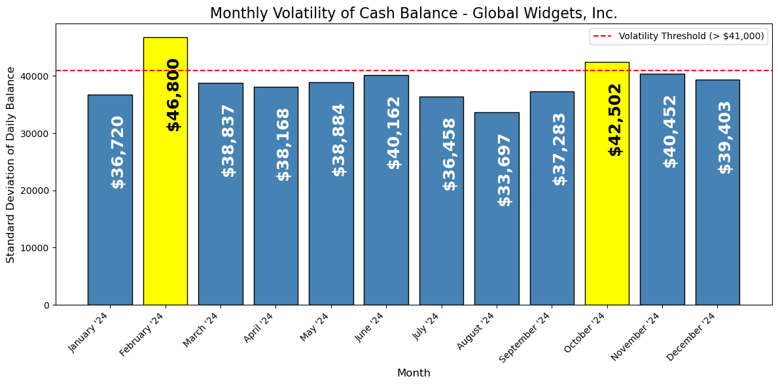
Date | Balance
1/1/2024 | 659,242.33
1/2/2024 | 706,770.49
1/3/2024 | 696,536.15 | Date | Balance
1/4/2024 | 683,512.80 | January '24 | $36,720
1/5/2024 | 749,599.22 | February '24 | $46,800
1/6/2024 | 672,742.73 | March '24 | $38,836
1/7/2024 | 666,540.05 | April '24 | $38,167
1/8/2024 | 707,375.26 | May '24 | $38,884
1/9/2024 | 695,101.57 | June '24 | $40,162
1/10/2024 | 725,325.30 | July '24 | $36,457
1/11/2024 | 743,636.80 | August '24 | $33,697
1/12/2024 | 766,571.59 | September '24 | $37,282
1/13/2024 | 670,591.61 | October '24 | $42,501
1/14/2024 | 751,265.83 | November '24 | $40,451
1/15/2024 | 739,570.22 | December '24 | $39,403
1/16/2024 | 757,536.64
1/17/2024 | 746,145.50
1/18/2024 | 722,555.27
1/19/2024 | 750,452.57
1/20/2024 | 705,684.31
1/21/2024 | 733,437.84
1/22/2024 | 697,887.42
1/23/2024 | 724,307.56
1/24/2024 | 742,977.37
1/25/2024 | 721,926.57
1/26/2024 | 726,573.57
1/27/2024 | 615,055.04
1/28/2024 | 651,243.44
1/29/2024 | 669,880.94
1/30/2024 | 726,025.00
1/31/2024 | 676,915.00
2/1/2024 | 694,198.33
2/2/2024 | 699,796.49
2/3/2024 | 600,457.15
2/4/2024 | 660,915.80
2/5/2024 | 721,656.22
2/6/2024 | 746,227.73
2/7/2024 | 696,878.05
2/8/2024 | 732,975.26
2/9/2024 | 798,240.57
2/10/2024 | 756,891.30
2/11/2024 | 701,503.80
2/12/2024 | 762,069.59
2/13/2024 | 733,900.61
2/14/2024 | 757,588.83
2/15/2024 | 704,544.22
2/16/2024 | 797,188.64
2/17/2024 | 681,855.50
2/18/2024 | 766,289.27
2/19/2024 | 731,446.57
2/20/2024 | 796,857.31
2/21/2024 | 805,899.84
2/22/2024 | 717,970.42
2/23/2024 | 778,233.56
2/24/2024 | 716,931.37
2/25/2024 | 706,236.57
2/26/2024 | 718,973.57
2/27/2024 | 760,734.04
2/28/2024 | 728,065.44
2/29/2024 | 660,146.94
3/1/2024 | 734,636.33
3/2/2024 | 637,752.49
3/3/2024 | 676,874.15
3/4/2024 | 716,587.80
3/5/2024 | 686,092.22
3/6/2024 | 742,668.73
3/7/2024 | 747,281.05
3/8/2024 | 772,323.26
3/9/2024 | 681,258.57
3/10/2024 | 765,308.30
3/11/2024 | 713,431.80
3/12/2024 | 750,864.59
3/13/2024 | 746,143.61
3/14/2024 | 743,784.83
3/15/2024 | 820,048.22
3/16/2024 | 745,699.64
3/17/2024 | 719,185.50
3/18/2024 | 716,662.27
3/19/2024 | 730,981.57
3/20/2024 | 732,135.31
3/21/2024 | 746,836.84
3/22/2024 | 780,833.42
3/23/2024 | 674,970.56
3/24/2024 | 727,788.37
3/25/2024 | 714,428.57
3/26/2024 | 716,603.57
3/27/2024 | 739,488.04
3/28/2024 | 693,766.44
3/29/2024 | 739,333.94
3/30/2024 | 637,032.00
3/31/2024 | 705,122.00
4/1/2024 | 661,080.33
4/2/2024 | 719,467.49
4/3/2024 | 695,696.15
4/4/2024 | 714,052.80
4/5/2024 | 724,604.22
4/6/2024 | 701,590.73
4/7/2024 | 701,059.05
4/8/2024 | 748,460.26
4/9/2024 | 792,167.57
4/10/2024 | 802,964.30
4/11/2024 | 755,439.80
4/12/2024 | 780,445.59
4/13/2024 | 701,424.61
4/14/2024 | 779,662.83
4/15/2024 | 756,350.22
4/16/2024 | 796,576.64
4/17/2024 | 766,608.50
4/18/2024 | 800,925.27
4/19/2024 | 794,810.57
4/20/2024 | 752,831.31
4/21/2024 | 754,132.84
4/22/2024 | 714,572.42
4/23/2024 | 726,192.56
4/24/2024 | 767,554.37
4/25/2024 | 762,408.57
4/26/2024 | 743,190.57
4/27/2024 | 711,134.04
4/28/2024 | 685,620.44
4/29/2024 | 716,605.94
4/30/2024 | 719,770.00
5/1/2024 | 703,268.33
5/2/2024 | 742,824.49
5/3/2024 | 786,690.15
5/4/2024 | 718,305.80
5/5/2024 | 693,964.22
5/6/2024 | 714,311.73
5/7/2024 | 745,281.05
5/8/2024 | 789,028.26
5/9/2024 | 790,456.57
5/10/2024 | 786,230.30
5/11/2024 | 744,455.80
5/12/2024 | 748,329.59
5/13/2024 | 734,200.61
5/14/2024 | 769,459.83
5/15/2024 | 801,859.22
5/16/2024 | 800,146.64
5/17/2024 | 838,662.50
5/18/2024 | 747,410.27
5/19/2024 | 792,388.57
5/20/2024 | 783,732.31
5/21/2024 | 755,359.84
5/22/2024 | 797,774.42
5/23/2024 | 777,983.56
5/24/2024 | 764,049.37
5/25/2024 | 675,306.57
5/26/2024 | 731,007.57
5/27/2024 | 687,773.04
5/28/2024 | 765,271.44
5/29/2024 | 767,586.94
5/30/2024 | 709,594.00
5/31/2024 | 726,679.00
6/1/2024 | 722,925.33
6/2/2024 | 698,458.49
6/3/2024 | 683,386.15
6/4/2024 | 762,362.80
6/5/2024 | 778,770.22
6/6/2024 | 769,216.73
6/7/2024 | 781,056.05
6/8/2024 | 731,555.26
6/9/2024 | 791,844.57
6/10/2024 | 777,236.30
6/11/2024 | 810,695.80
6/12/2024 | 829,998.59
6/13/2024 | 818,029.61
6/14/2024 | 839,666.83
6/15/2024 | 739,972.22
6/16/2024 | 806,401.64
6/17/2024 | 803,464.50
6/18/2024 | 825,780.27
6/19/2024 | 793,520.57
6/20/2024 | 812,161.31
6/21/2024 | 832,818.84
6/22/2024 | 748,217.42
6/23/2024 | 769,132.56
6/24/2024 | 771,473.37
6/25/2024 | 763,066.57
6/26/2024 | 754,921.57
6/27/2024 | 751,731.04
6/28/2024 | 807,765.44
6/29/2024 | 732,324.94
6/30/2024 | 734,421.00
7/1/2024 | 738,892.33
7/2/2024 | 777,952.49
7/3/2024 | 789,459.15
7/4/2024 | 784,190.80
7/5/2024 | 787,481.22
7/6/2024 | 751,331.73
7/7/2024 | 783,221.05
7/8/2024 | 751,226.26
7/9/2024 | 797,612.57
7/10/2024 | 780,912.30
7/11/2024 | 781,846.80
7/12/2024 | 858,319.59
7/13/2024 | 782,498.61
7/14/2024 | 788,810.83
7/15/2024 | 820,461.22
7/16/2024 | 829,969.64
7/17/2024 | 849,181.50
7/18/2024 | 780,116.27
7/19/2024 | 828,995.57
7/20/2024 | 735,094.31
7/21/2024 | 791,962.84
7/22/2024 | 732,566.42
7/23/2024 | 797,755.56
7/24/2024 | 810,816.37
7/25/2024 | 788,905.57
7/26/2024 | 775,200.57
7/27/2024 | 704,327.04
7/28/2024 | 716,504.44
7/29/2024 | 729,981.94
7/30/2024 | 784,437.00
7/31/2024 | 758,800.00
8/1/2024 | 782,705.33
8/2/2024 | 818,176.49
8/3/2024 | 747,414.15
8/4/2024 | 783,709.80
8/5/2024 | 744,030.22
8/6/2024 | 784,455.73
8/7/2024 | 803,001.05
8/8/2024 | 776,029.26
8/9/2024 | 796,167.57
8/10/2024 | 776,066.30
8/11/2024 | 766,547.80
8/12/2024 | 769,238.59
8/13/2024 | 812,620.61
8/14/2024 | 846,232.83
8/15/2024 | 840,892.22
8/16/2024 | 856,796.64
8/17/2024 | 769,880.50
8/18/2024 | 825,084.27
8/19/2024 | 761,474.57
8/20/2024 | 815,811.31
8/21/2024 | 842,343.84
8/22/2024 | 793,322.42
8/23/2024 | 824,159.56
8/24/2024 | 731,536.37
8/25/2024 | 802,003.57
8/26/2024 | 750,654.57
8/27/2024 | 790,485.04
8/28/2024 | 818,752.44
8/29/2024 | 791,792.94
8/30/2024 | 784,734.00
8/31/2024 | 726,950.00
9/1/2024 | 728,639.33
9/2/2024 | 728,500.49
9/3/2024 | 813,078.15
9/4/2024 | 778,245.80
9/5/2024 | 768,240.22
9/6/2024 | 839,350.73
9/7/2024 | 738,397.05
9/8/2024 | 818,729.26
9/9/2024 | 766,177.57
9/10/2024 | 805,590.30
9/11/2024 | 842,950.80
9/12/2024 | 817,472.59
9/13/2024 | 852,667.61
9/14/2024 | 775,410.83
9/15/2024 | 830,479.22
9/16/2024 | 828,206.64
9/17/2024 | 845,476.50
9/18/2024 | 859,967.27
9/19/2024 | 801,931.57
9/20/2024 | 847,809.31
9/21/2024 | 767,127.84
9/22/2024 | 786,960.42
9/23/2024 | 794,517.56
9/24/2024 | 824,509.37
9/25/2024 | 819,781.57
9/26/2024 | 779,092.57
9/27/2024 | 781,033.04
9/28/2024 | 749,618.44
9/29/2024 | 780,036.94
9/30/2024 | 778,619.00
10/1/2024 | 787,932.33
10/2/2024 | 799,608.49
10/3/2024 | 774,699.15
10/4/2024 | 845,999.80
10/5/2024 | 703,180.22
10/6/2024 | 832,311.73
10/7/2024 | 749,616.05
10/8/2024 | 809,379.26
10/9/2024 | 860,576.57
10/10/2024 | 828,245.30
10/11/2024 | 814,793.80
10/12/2024 | 766,689.59
10/13/2024 | 848,490.61
10/14/2024 | 828,882.83
10/15/2024 | 888,788.22
10/16/2024 | 815,474.64
10/17/2024 | 786,705.50
10/18/2024 | 867,737.27
10/19/2024 | 793,828.57
10/20/2024 | 825,199.31
10/21/2024 | 778,357.84
10/22/2024 | 888,042.42
10/23/2024 | 776,279.56
10/24/2024 | 799,963.37
10/25/2024 | 866,476.57
10/26/2024 | 742,447.57
10/27/2024 | 842,768.04
10/28/2024 | 808,553.44
10/29/2024 | 783,404.94
10/30/2024 | 819,877.00
10/31/2024 | 829,905.00
11/1/2024 | 791,446.33
11/2/2024 | 735,869.49
11/3/2024 | 809,406.15
11/4/2024 | 755,666.80
11/5/2024 | 839,806.22
11/6/2024 | 861,797.73
11/7/2024 | 856,199.05
11/8/2024 | 846,381.26
11/9/2024 | 816,891.57
11/10/2024 | 841,909.30
11/11/2024 | 809,853.80
11/12/2024 | 872,249.59
11/13/2024 | 867,583.61
11/14/2024 | 841,845.83
11/15/2024 | 914,493.22
11/16/2024 | 827,382.64
11/17/2024 | 861,813.50
11/18/2024 | 816,984.27
11/19/2024 | 847,533.57
11/20/2024 | 862,133.31
11/21/2024 | 862,284.84
11/22/2024 | 876,967.42
11/23/2024 | 823,308.56
11/24/2024 | 839,191.37
11/25/2024 | 791,222.57
11/26/2024 | 828,030.57
11/27/2024 | 808,611.04
11/28/2024 | 822,267.44
11/29/2024 | 845,148.94
11/30/2024 | 731,314.00
12/1/2024 | 790,211.33
12/2/2024 | 783,911.49
12/3/2024 | 792,422.15
12/4/2024 | 826,612.80
12/5/2024 | 832,790.22
12/6/2024 | 873,301.73
12/7/2024 | 758,600.05
12/8/2024 | 835,190.26
12/9/2024 | 791,166.57
12/10/2024 | 887,100.30
12/11/2024 | 851,315.80
12/12/2024 | 861,049.59
12/13/2024 | 926,982.61
12/14/2024 | 809,389.83
12/15/2024 | 884,917.22
12/16/2024 | 882,518.64
12/17/2024 | 846,355.50
12/18/2024 | 861,115.27
12/19/2024 | 857,004.57
12/20/2024 | 899,091.31
12/21/2024 | 826,869.84
12/22/2024 | 838,752.42
12/23/2024 | 799,128.56
12/24/2024 | 829,639.37
12/25/2024 | 824,838.57
12/26/2024 | 845,403.57
12/27/2024 | 858,335.04
12/28/2024 | 778,765.44
12/29/2024 | 786,128.94
12/30/2024 | 827,343.00
12/31/2024 | 822,395.00

Part 3
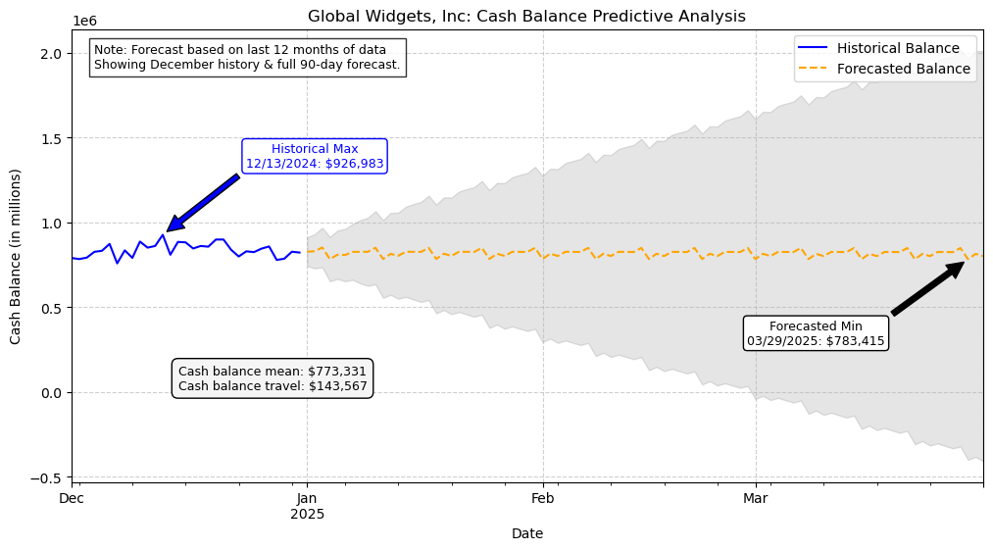
Date | Balance
1/1/2024 | 659,242.33
1/2/2024 | 706,770.49
1/3/2024 | 696,536.15
1/4/2024 | 683,512.80 | 0
1/5/2024 | 749,599.22
1/6/2024 | 672,742.73
1/7/2024 | 666,540.05
1/8/2024 | 707,375.26
1/9/2024 | 695,101.57
1/10/2024 | 725,325.30
1/11/2024 | 743,636.80
1/12/2024 | 766,571.59
1/13/2024 | 670,591.61
1/14/2024 | 751,265.83
1/15/2024 | 739,570.22
1/16/2024 | 757,536.64
1/17/2024 | 746,145.50
1/18/2024
1/19/2024 | 750,452.57
1/20/2024 | 705,684.31
1/21/2024 | 733,437.84
1/22/2024 | 697,887.42
1/23/2024 | 724,307.56
1/24/2024 | 742,977.37
1/25/2024 | 721,926.57
1/26/2024 | 726,573.57
1/27/2024 | 615,055.04
1/28/2024 | 651,243.44
1/29/2024 | 669,880.94
1/30/2024 | 726,025.00
1/31/2024 | 676,915.00
2/1/2024 | 694,198.33
2/2/2024 | 699,796.49
2/3/2024 | 600,457.15
2/4/2024 | 660,915.80
2/5/2024 | 721,656.22
2/6/2024 | 746,227.73
2/7/2024 | 696,878.05
2/8/2024
2/9/2024 | 798,240.57
2/10/2024 | 756,891.30
2/11/2024 | 701,503.80
2/12/2024 | 762,069.59
2/13/2024 | 733,900.61
2/14/2024 | 757,588.83
2/15/2024 | 704,544.22
2/16/2024 | 797,188.64
2/17/2024 | 681,855.50
2/18/2024 | 766,289.27
2/19/2024 | 731,446.57
2/20/2024 | 796,857.31
2/21/2024 | 805,899.84
2/22/2024 | 717,970.42
2/23/2024 | 778,233.56
2/24/2024 | 716,931.37
2/25/2024 | 706,236.57
2/26/2024
2/27/2024 | 760,734.04
2/28/2024 | 728,065.44
2/29/2024 | 660,146.94
3/1/2024 | 734,636.33
3/2/2024 | 637,752.49
3/3/2024 | 676,874.15
3/4/2024 | 716,587.80
3/5/2024 | 686,092.22
3/6/2024 | 742,668.73
3/7/2024 | 747,281.05
3/8/2024 | 772,323.26
3/9/2024 | 681,258.57
3/10/2024 | 765,308.30
3/11/2024
3/12/2024 | 750,864.59
3/13/2024 | 746,143.61
3/14/2024 | 743,784.83
3/15/2024 | 820,048.22
3/16/2024
3/17/2024 | 719,185.50
3/18/2024 | 716,662.27
3/19/2024 | 730,981.57
3/20/2024 | 732,135.31
3/21/2024 | 746,836.84
3/22/2024 | 780,833.42
3/23/2024 | 674,970.56
3/24/2024 | 727,788.37
3/25/2024 | 714,428.57
3/26/2024 | 716,603.57
3/27/2024 | 739,488.04
3/28/2024 | 693,766.44
3/29/2024 | 739,333.94
3/30/2024 | 637,032.00
3/31/2024 | 705,122.00
4/1/2024 | 661,080.33
4/2/2024 | 719,467.49
4/3/2024 | 695,696.15
4/4/2024 | 714,052.80
4/5/2024 | 724,604.22
4/6/2024 | 701,590.73
4/7/2024 | 701,059.05
4/8/2024 | 748,460.26
4/9/2024 | 792,167.57
4/10/2024 | 802,964.30
4/11/2024 | 755,439.80
4/12/2024 | 780,445.59
4/13/2024 | 701,424.61
4/14/2024 | 779,662.83
4/15/2024 | 756,350.22
4/16/2024 | 796,576.64
4/17/2024
4/18/2024 | 800,925.27
4/19/2024 | 794,810.57
4/20/2024 | 752,831.31
4/21/2024 | 754,132.84
4/22/2024 | 714,572.42
4/23/2024 | 726,192.56
4/24/2024 | 767,554.37
4/25/2024 | 762,408.57
4/26/2024 | 743,190.57
4/27/2024 | 711,134.04
4/28/2024 | 685,620.44
4/29/2024 | 716,605.94
4/30/2024 | 719,770.00
5/1/2024 | 703,268.33
5/2/2024 | 742,824.49
5/3/2024
5/4/2024 | 718,305.80
5/5/2024 | 693,964.22
5/6/2024 | 714,311.73
5/7/2024 | 745,281.05
5/8/2024
5/9/2024 | 790,456.57
5/10/2024 | 786,230.30
5/11/2024 | 744,455.80
5/12/2024 | 748,329.59
5/13/2024 | 734,200.61
5/14/2024
5/15/2024 | 801,859.22
5/16/2024 | 800,146.64
5/17/2024 | 838,662.50
5/18/2024 | 747,410.27
5/19/2024
5/20/2024 | 783,732.31
5/21/2024 | 755,359.84
5/22/2024 | 797,774.42
5/23/2024 | 777,983.56
5/24/2024 | 764,049.37
5/25/2024 | 675,306.57
5/26/2024 | 731,007.57
5/27/2024 | 687,773.04
5/28/2024 | 765,271.44
5/29/2024
5/30/2024 | 709,594.00
5/31/2024 | 726,679.00
6/1/2024 | 722,925.33
6/2/2024 | 698,458.49
6/3/2024 | 683,386.15
6/4/2024 | 762,362.80
6/5/2024 | 778,770.22
6/6/2024 | 769,216.73
6/7/2024 | 781,056.05
6/8/2024
6/9/2024 | 791,844.57
6/10/2024 | 777,236.30
6/11/2024 | 810,695.80
6/12/2024 | 829,998.59
6/13/2024 | 818,029.61
6/14/2024 | 839,666.83
6/15/2024
6/16/2024 | 806,401.64
6/17/2024 | 803,464.50
6/18/2024 | 825,780.27
6/19/2024 | 793,520.57
6/20/2024 | 812,161.31
6/21/2024 | 832,818.84
6/22/2024 | 748,217.42
6/23/2024 | 769,132.56
6/24/2024 | 771,473.37
6/25/2024 | 763,066.57
6/26/2024 | 754,921.57
6/27/2024 | 751,731.04
6/28/2024
6/29/2024 | 732,324.94
6/30/2024 | 734,421.00
7/1/2024 | 738,892.33
7/2/2024 | 777,952.49
7/3/2024 | 789,459.15
7/4/2024 | 784,190.80
7/5/2024 | 787,481.22
7/6/2024 | 751,331.73
7/7/2024
7/8/2024 | 751,226.26
7/9/2024 | 797,612.57
7/10/2024 | 780,912.30
7/11/2024 | 781,846.80
7/12/2024 | 858,319.59
7/13/2024
7/14/2024 | 788,810.83
7/15/2024 | 820,461.22
7/16/2024 | 829,969.64
7/17/2024 | 849,181.50
7/18/2024 | 780,116.27
7/19/2024 | 828,995.57
7/20/2024 | 735,094.31
7/21/2024 | 791,962.84
7/22/2024 | 732,566.42
7/23/2024
7/24/2024 | 810,816.37
7/25/2024 | 788,905.57
7/26/2024 | 775,200.57
7/27/2024 | 704,327.04
7/28/2024 | 716,504.44
7/29/2024 | 729,981.94
7/30/2024
7/31/2024 | 758,800.00
8/1/2024 | 782,705.33
8/2/2024 | 818,176.49
8/3/2024 | 747,414.15
8/4/2024 | 783,709.80
8/5/2024 | 744,030.22
8/6/2024 | 784,455.73
8/7/2024
8/8/2024 | 776,029.26
8/9/2024 | 796,167.57
8/10/2024 | 776,066.30
8/11/2024 | 766,547.80
8/12/2024 | 769,238.59
8/13/2024
8/14/2024 | 846,232.83
8/15/2024 | 840,892.22
8/16/2024 | 856,796.64
8/17/2024 | 769,880.50
8/18/2024 | 825,084.27
8/19/2024 | 761,474.57
8/20/2024 | 815,811.31
8/21/2024 | 842,343.84
8/22/2024 | 793,322.42
8/23/2024 | 824,159.56
8/24/2024 | 731,536.37
8/25/2024 | 802,003.57
8/26/2024
8/27/2024 | 790,485.04
8/28/2024 | 818,752.44
8/29/2024 | 791,792.94
8/30/2024 | 784,734.00
8/31/2024 | 726,950.00
9/1/2024 | 728,639.33
9/2/2024 | 728,500.49
9/3/2024 | 813,078.15
9/4/2024 | 778,245.80
9/5/2024 | 768,240.22
9/6/2024 | 839,350.73
9/7/2024 | 738,397.05
9/8/2024 | 818,729.26
9/9/2024
9/10/2024 | 805,590.30
9/11/2024 | 842,950.80
9/12/2024 | 817,472.59
9/13/2024 | 852,667.61
9/14/2024 | 775,410.83
9/15/2024
9/16/2024 | 828,206.64
9/17/2024 | 845,476.50
9/18/2024 | 859,967.27
9/19/2024 | 801,931.57
9/20/2024 | 847,809.31
9/21/2024 | 767,127.84
9/22/2024 | 786,960.42
9/23/2024 | 794,517.56
9/24/2024 | 824,509.37
9/25/2024 | 819,781.57
9/26/2024 | 779,092.57
9/27/2024 | 781,033.04
9/28/2024 | 749,618.44
9/29/2024 | 780,036.94
9/30/2024
10/1/2024 | 787,932.33
10/2/2024 | 799,608.49
10/3/2024 | 774,699.15
10/4/2024 | 845,999.80
10/5/2024 | 703,180.22
10/6/2024 | 832,311.73
10/7/2024 | 749,616.05
10/8/2024 | 809,379.26
10/9/2024
10/10/2024 | 828,245.30
10/11/2024 | 814,793.80
10/12/2024 | 766,689.59
10/13/2024 | 848,490.61
10/14/2024 | 828,882.83
10/15/2024 | 888,788.22
10/16/2024 | 815,474.64
10/17/2024 | 786,705.50
10/18/2024
10/19/2024 | 793,828.57
10/20/2024 | 825,199.31
10/21/2024 | 778,357.84
10/22/2024 | 888,042.42
10/23/2024 | 776,279.56
10/24/2024 | 799,963.37
10/25/2024 | 866,476.57
10/26/2024 | 742,447.57
10/27/2024 | 842,768.04
10/28/2024 | 808,553.44
10/29/2024 | 783,404.94
10/30/2024 | 819,877.00
10/31/2024 | 829,905.00
11/1/2024 | 791,446.33
11/2/2024
11/3/2024 | 809,406.15
11/4/2024 | 755,666.80
11/5/2024 | 839,806.22
11/6/2024 | 861,797.73
11/7/2024 | 856,199.05
11/8/2024 | 846,381.26
11/9/2024 | 816,891.57
11/10/2024 | 841,909.30
11/11/2024 | 809,853.80
11/12/2024 | 872,249.59
11/13/2024 | 867,583.61
11/14/2024 | 841,845.83
11/15/2024
11/16/2024 | 827,382.64
11/17/2024 | 861,813.50
11/18/2024 | 816,984.27
11/19/2024 | 847,533.57
11/20/2024 | 862,133.31
11/21/2024 | 862,284.84
11/22/2024 | 876,967.42
11/23/2024 | 823,308.56
11/24/2024 | 839,191.37
11/25/2024
11/26/2024 | 828,030.57
11/27/2024 | 808,611.04
11/28/2024 | 822,267.44
11/29/2024 | 845,148.94
11/30/2024 | 731,314.00
12/1/2024 | 790,211.33
12/2/2024 | 783,911.49
12/3/2024 | 792,422.15
12/4/2024 | 826,612.80
12/5/2024 | 832,790.22
12/6/2024 | 873,301.73
12/7/2024 | 758,600.05
12/8/2024 | 835,190.26
12/9/2024 | 791,166.57
12/10/2024 | 887,100.30
12/11/2024 | 851,315.80
12/12/2024 | 861,049.59
12/13/2024 | 926,982.61
12/14/2024 | 809,389.83
12/15/2024 | 884,917.22
12/16/2024 | 882,518.64
12/17/2024 | 846,355.50
12/18/2024 | 861,115.27
12/19/2024 | 857,004.57
12/20/2024 | 899,091.31
12/21/2024
12/22/2024 | 838,752.42
12/23/2024 | 799,128.56
12/24/2024 | 829,639.37
12/25/2024 | 824,838.57
12/26/2024 | 845,403.57
12/27/2024 | 858,335.04
12/28/2024 | 778,765.44
12/29/2024 | 786,128.94
12/30/2024 | 827,343.00
12/31/2024 | 822,395.00

